1 Rect Plate
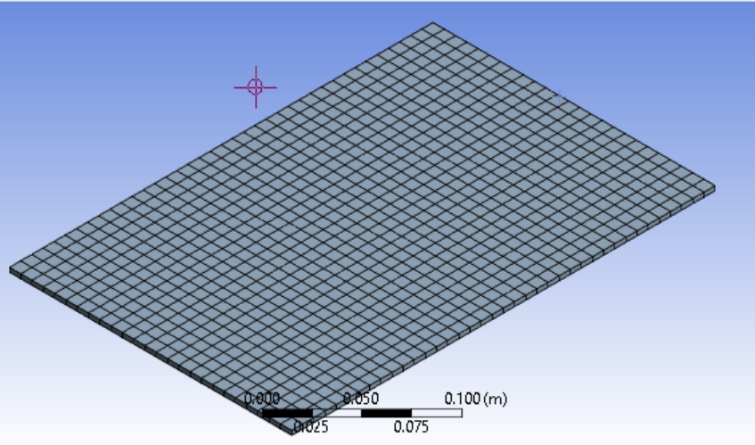
Rect Plate
offset 0.0 |  |  |  |  | RPM=0.01 |  | RPM=4k | R_hub=0
Constant thickness |  | Modes | ANSYS (Hz) | pt =0 | Stag =0 | ANSYS (Hz) | pt =0 | Stag =0 |  | RPM=4k | R_hub=0.2
3mm |  |  |  | N=6 | Error |  | N=6 | Error | N=6 | pt =0 | Stag =0
pre twist =0 |  | 1 | 28.053 | 28.02 | -0.12% | 76.754 | 76.66 | -0.12% | 101.89 | 101.78 | -0.11%
stagger =0 |  | 2 | 94.216 | 94.4 | 0.20% | 116.64 | 116.72 | 0.07% | 134.71 | 134.79 | 0.06%
 |  | 3 | 174.28 | 174 | -0.16% | 242.67 | 242.46 | -0.09% | 289.19 | 289.2 | 0.00%
 |  | 4 | 317.83 | 318.43 | 0.19% | 361.55 | 362.28 | 0.20% | 396.62 | 397.71 | 0.27%
 |  | 5 | 433.49 | 437.54 | 0.93% | 443.8 | 447.05 | 0.73% | 451.49 | 453.86 | 0.52%
 |  | 6 | 499.72 | 511.26 | 2.31% | 569.21 | 577.07 | 1.38% | 628.76 | 633.05 | 0.68%
L | 0.30 | 7 | 648.52 | 661.15 | 1.95% | 706.93 | 717.13 | 1.44% | 744.08 | 745.26 | 0.16%
b | 0.20
h | 0.003 | 1 | 2.3079 | 2.3052 | -0.12% | 6.3145 | 6.3068 | -0.12% | 8.3825 | 8.3734 | -0.11%
mu | 0.30 | 2 | 7.7511 | 7.7663 | 0.20% | 9.5960 | 9.6025 | 0.07% | 11.0826 | 11.0892 | 0.06%
rho | 7850 | 3 | 14.3380 | 14.3150 | -0.16% | 19.9644 | 19.9472 | -0.09% | 23.7916 | 23.7925 | 0.00%
E | 200000000000 | 4 | 26.1478 | 26.1972 | 0.19% | 29.7447 | 29.8047 | 0.20% | 32.6299 | 32.7196 | 0.27%
 |  | 5 | 35.6632 | 35.9964 | 0.93% | 36.5114 | 36.7788 | 0.73% | 37.1440 | 37.3390 | 0.52%

2 Flat stag
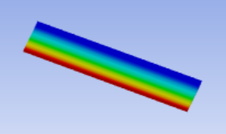
Stagger =20
offset 0.5 |  |  |  | RPM=0.01 |  |  | RPM=4k | R_hub = 0
Constant thickness |  | Modes | ANSYS (Hz) | pt =0 | Stag =20 | ANSYS (Hz) | pt =0 | Stag =20 | ANSYS (Hz) | RPM=4k | R_hub=0.2
3mm |  |  |  | N=6 | Error |  | N=6 | Error |  | pt =0 | Stagg =20
pre twist =0 |  | 1 | 28.024 | 28.02 | -0.01% | 76.698 | 76.66 | -0.05% | 101.84 | 101.79 | -0.05%
 |  | 2 | 94.157 | 94.4 | 0.26% | 118.66 | 118.92 | 0.22% | 136.49 | 136.7 | 0.15%
 |  | 3 | 174.1 | 174 | -0.06% | 242.49 | 242.48 | 0.00% | 289.02 | 289.23 | 0.07%
 |  | 4 | 317.61 | 318.43 | 0.26% | 361.91 | 362.97 | 0.29% | 396.98 | 398.34 | 0.34%
 |  | 5 | 433.1 | 437.54 | 1.03% | 444.63 | 448.73 | 0.92% | 451.36 | 455.54 | 0.93%
 |  | 6 | 499.23 | 511.26 | 2.41% | 568.61 | 577.14 | 1.50% | 626.59 | 633.1 | 1.04%
L | 0.30 | 7 | 650.07 | 661.15 | 1.70% | 707.11 | 717.45 | 1.46% | 739.41 | 746.26 | 0.93%
b | 0.20
h | 0.003 |  | 2.3055 | 2.3052 | -0.01% | 6.3099 | 6.3068 | -0.05% | 8.3784 | 8.3743 | -0.05%
mu | 0.30 |  | 7.7463 | 7.7663 | 0.26% | 9.7621 | 9.7835 | 0.22% | 11.2290 | 11.2463 | 0.15%
rho | 7850 |  | 14.3232 | 14.3150 | -0.06% | 19.9496 | 19.9488 | 0.00% | 23.7776 | 23.7949 | 0.07%
E | 200000000000 |  | 26.1297 | 26.1972 | 0.26% | 29.7743 | 29.8615 | 0.29% | 32.6595 | 32.7714 | 0.34%
 |  |  | 35.6311 | 35.9964 | 1.03% | 36.5797 | 36.9170 | 0.92% | 37.1333 | 37.4772 | 0.93%

3 Flat twist
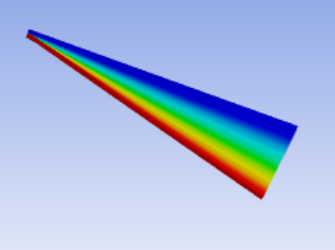
Constant thickness |  |  | Hz
3mm |  | RPM = 0.01 | pt = 15 | stag = 20 | RPM = 4k | pt = 15 | stag = 20 | RPM = 4k | pt = 15 | stag = 20
offset 0.5 | Modes | ANSYS (Hz) | RR | R_hub=0 | ANSYS (Hz) | RR | R_hub=0 | ANSYS (Hz) | RR | R_hub=0.2
pre twist =15 |  |  | N=6 | Error |  | N=6 | Error |  | N=6 | Error
 | 1 | 27.822 | 28 | 0.64% | 76.684 | 76.69 | 0.01% | 101.86 | 101.86 | 0.00%
 | 2 | 167.93 | 169.28 | 0.80% | 230.47 | 231.81 | 0.58% | 232.76 | 234.06 | 0.56%
 | 3 | 204.91 | 206.13 | 0.60% | 235.32 | 236.14 | 0.35% | 283.28 | 283.91 | 0.22%
 | 4 | 445.14 | 449.1 | 0.89% | 477.01 | 478.96 | 0.41% | 472.8 | 475.07 | 0.48%
 | 5 | 493.01 | 495.17 | 0.44% | 547.84 | 550.21 | 0.43% | 553.26 | 555.49 | 0.40%
 | 6 | 495.18 | 509.31 | 2.85% | 556.75 | 568.04 | 2.03% | 620.68 | 629.35 | 1.40%
 | 7 | 764.39 | 771.67 | 0.95% | 804.4 | 812.9 | 1.06% | 809.37 | 817.1 | 0.96%

4 Naca th
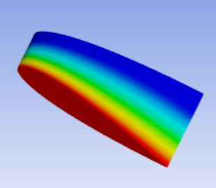
Naca thickness | naca_code= "0412" |  | Hz
no Taper |  | RPM = 0.01 | pt = 15 | stag = 20 | RPM = 4k | pt = 15 | stag = 20 | RPM = 4k | pt = 15 | stag = 20
No camber | Modes | ANSYS (Hz) | RR | R_hub=0 | ANSYS (Hz) | RR | R_hub=0 | ANSYS (Hz) | RR | R_hub=0.2
offset 0.5 |  |  | N=6 | Error |  | N=6 | Error |  | N=6 | Error
pre twist =15 | 1 | 183.3 | 183.8 | 0.27% | 197.37 | 197.76 | 0.20% | 208.79 | 209.16 | 0.18%
 | 2 | 703.65 | 702.49 | -0.16% | 708.38 | 707.06 | -0.19% | 711.64 | 710.42 | -0.17%
 | 3 | 1015.9 | 1016.86 | 0.09% | 1026 | 1027.06 | 0.10% | 1034.5 | 1035.72 | 0.12%
 | 4 | 1333.9 | 1337.23 | 0.25% | 1338.3 | 1342.26 | 0.30% | 1342.2 | 1346.53 | 0.32%
 | 5 | 2082.4 | 2076.11 | -0.30% | 2091.5 | 2085.49 | -0.29% | 2098.4 | 2092.62 | -0.28%
 | 6 | 2695.4 | 2729.64 | 1.27% | 2709.8 | 2743.96 | 1.26% | 2721.5 | 2755.77 | 1.26%
 | 7 | 3483.6 | 3466.62 | -0.49% | 3488.1 | 3470.33 | -0.51% | 3491 | 3472.82 | -0.52%

4.4 naca taper
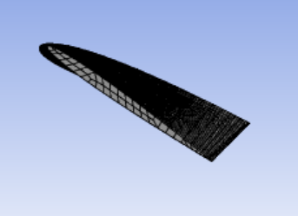
Naca thickness | naca_code= "0412" |  | Hz
No camber |  | RPM=0.01 | pt = 15 | stag = 20 | RPM = 4k | pt = 15 | stag = 20 | RPM = 4k | pt = 15 | stag = 20
offset 0.5 | Modes | ANSYS (Hz) | RR | R_hub=0 | ANSYS (Hz) | RR | R_hub=0 | ANSYS (Hz) | RR | R_hub=0.2
Tapered |  |  | N=6 | Error |  | N=6 | Error |  | N=6 | Error
C_thickness=0.5 | 1 | 207.48 | 206 | -0.71% | 221.07 | 219.66 | -0.64% | 232.23 | 230.9 | -0.57%
C_chord=0.1 | 2 | 703.61 | 695.02 | -1.22% | 708.89 | 700.32 | -1.21% | 712.36 | 703.85 | -1.19%
 | 3 | 883.05 | 873.79 | -1.05% | 896.23 | 887.07 | -1.02% | 907.13 | 898.15 | -0.99%
 | 4 | 1593.1 | 1595.89 | 0.18% | 1595 | 1597.33 | 0.15% | 1596.7 | 1599.76 | 0.19%
 | 5 | 1621.4 | 1602.43 | -1.17% | 1630.4 | 1612.93 | -1.07% | 1636.6 | 1619.02 | -1.07%
 | 6 | 2038.5 | 2041.78 | 0.16% | 2054.1 | 2057.09 | 0.15% | 2065.6 | 2068.49 | 0.14%
 | 7 | 2476.1 | 2446.54 | -1.19% | 2480 | 2450.25 | -1.20% | 2481.9 | 2452.3 | -1.19%

5 Ec Camber
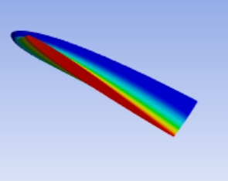
No camber |  |  | Hz
Naca thickness |  | RPM = 0.01 | pt = 15 | stag = 20 | RPM = 4k | pt = 15 | stag = 20 | RPM = 4k | pt = 15 | stag = 20
Naca 0412 | Modes | ANSYS (Hz) | RR | R_hub=0 | ANSYS (Hz) | RR | R_hub=0 | ANSYS (Hz) | RR | R_hub=0.2
offset 0.25 |  |  | N=6 | Error |  | N=6 | Error |  | N=6 | Error
Tapered: | 1 | 207.77 | 206.18 | -0.77% | 221.38 | 219.88 | -0.68% | 232.52 | 231.1 | -0.61%
C_thickness=0.5 | 2 | 703.66 | 694.49 | -1.30% | 708.74 | 699.61 | -1.29% | 712.1 | 703.06 | -1.27%
C_chord=0.1 | 3 | 885.48 | 876.23 | -1.04% | 898.73 | 889.57 | -1.02% | 909.49 | 900.48 | -0.99%
 | 4 | 1589.8 | 1589.94 | 0.01% | 1591.7 | 1592.83 | 0.07% | 1593.4 | 1595.57 | 0.14%
 | 5 | 1620.5 | 1605.7 | -0.91% | 1629.5 | 1614.73 | -0.91% | 1635.5 | 1620.17 | -0.94%
 | 6 | 2041.2 | 2045.53 | 0.21% | 2056.3 | 2060.26 | 0.19% | 2067.2 | 2070.98 | 0.18%
 | 7 | 2474.7 | 2449.09 | -1.03% | 2478.8 | 2452.97 | -1.04% | 2480.5 | 2454.77 | -1.04%

6 Realistic
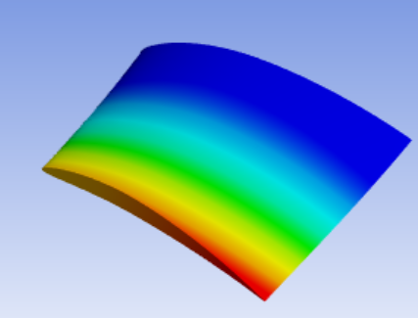
Naca thickness |  |  | ANSYS (Hz) | RR |  |  | ANSYS (Hz) | RR |  |  |  | ANSYS (Hz) | RR | R hub=0.2 | ANSYS | RR |  | ANSYS (Hz) | RR | R hub=0.2
Cambered, 6412 |  |  | RPM = 0.01 |  | R hub =0 |  | RPM = 4k |  | R hub =0 |  |  | RPM=4k | N=6 | Error | RPM = 8k |  | R hub=0.2 | RPM=30k | N=6 | Error
offset 0.25 |  |  | 232.16 | 231.3 | -0.37% |  | 243.88 | 243.36 | -0.21% |  |  | 254.28 | 253.51 | -0.30% | 310.80 | 310.08 | -0.23% | 786.91 | 775.92 | -1.40%
Tapered: |  |  | 710.08 | 702.82 | -1.02% |  | 714.66 | 706.61 | -1.13% |  |  | 717.59 | 710.44 | -1.00% | 739.55 | 732.67 | -0.93% | 1043.6 | 1032.71 | -1.04%
C_thickness=0.5 |  |  | 957.88 | 949.3 | -0.90% |  | 967.87 | 960.64 | -0.75% |  |  | 979.49 | 971.15 | -0.85% | 1041.20 | 1033.52 | -0.74% | 1630.7 | 1652.66 | 1.35%
C_chord=0.1 |  |  | 1591.3 | 1601.13 | 0.62% |  | 1591.9 | 1604.03 | 0.76% |  |  | 1595.8 | 1606.89 | 0.69% | 1608.60 | 1622.59 | 0.87% | 1937.4 | 1962.72 | 1.31%
 |  |  | 1665.6 | 1646.06 | -1.17% |  | 1676.3 | 1652.41 | -1.43% |  |  | 1678.1 | 1658.78 | -1.15% | 1716.10 | 1697.81 | -1.07% | 2285.5 | 2283.56 | -0.08%
 |  |  | 2093 | 2094.39 | 0.07% |  | 2103.6 | 2105.31 | 0.08% |  |  | 2117 | 2117.67 | 0.03% | 2186.50 | 2184.98 | -0.07% | 2622.6 | 2583.21 | -1.50%
 |  |  | 2439.7 | 2408.76 | -1.27% |  | 2442.9 | 2411.42 | -1.29% |  |  | 2444.9 | 2414.08 | -1.26% | 2460.6 | 2430.63 | -1.22% | 3186 | 3193.63 | 0.24%

 | N values |  |  |  |  |  |  |  |  |  | Last
 | 2 | 3 | 4 | 5 | 6 | 7 | 8 | 10 | 15 | ANSYS | Error
 | 554.92 | 274.9 | 256.28 | 254.33 | 253.51 | 253.17 | 253.07 | 252.92 | 252.81 | 254.07 | -0.50%
 | 1671.84 | 790.15 | 726.27 | 714.95 | 710.44 | 708.76 | 708.11 | 707.18 | 706.47 | 717.6 | -1.55%
 | 2410.34 | 1181.97 | 1006.81 | 974.26 | 971.15 | 970.1 | 969.84 | 969.61 | 969.43 | 978.76 | -0.95%
 | 4124.48 | 1660.02 | 1623.74 | 1609.74 | 1606.89 | 1605.64 | 1605.25 | 1604.91 | 1604.65 | 1594.6 | 0.63%
 | 4967.92 | 2102.63 | 1735.78 | 1665.59 | 1658.78 | 1655.96 | 1655.43 | 1654.66 | 1654.06 | 1678.8 | -1.47%
 | 5139.87 | 5013.43 | 2465.03 | 2226.72 | 2117.67 | 2103.77 | 2095.3 | 2093.46 | 2092.72 | 2116.3 | -1.11%
 | 5958.53 | 5230.56 | 2907.34 | 2447.1 | 2414.08 | 2406.57 | 2404.82 | 2403.68 | 2403.13 | 2444.9 | -1.71%
 | Diffrence | -280.02 | -18.62 | -1.95 | -0.82 | -0.34 | -0.10 | -0.15 | -0.11 | 1.26
 |  | -881.69 | -63.88 | -11.32 | -4.51 | -1.68 | -0.65 | -0.93 | -0.71 | 11.13
 |  | -1228.37 | -175.16 | -32.55 | -3.11 | -1.05 | -0.26 | -0.23 | -0.18 | 9.33
 |  | -2464.46 | -36.28 | -14.00 | -2.85 | -1.25 | -0.39 | -0.34 | -0.26 | -10.05
 |  | -2865.29 | -366.85 | -70.19 | -6.81 | -2.82 | -0.53 | -0.77 | -0.60 | 24.74
 |  | -126.44 | -2548.40 | -238.31 | -109.05 | -13.90 | -8.47 | -1.84 | -0.74 | 23.58
 |  | -727.97 | -2323.22 | -460.24 | -33.02 | -7.51 | -1.75 | -1.14 | -0.55 | 41.77

